AXISONF
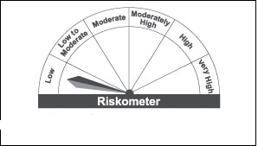
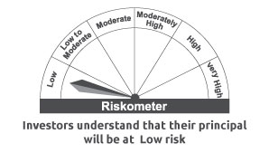
AXISONF | Axis Overnight Fund

 | Monthly Portfolio Statement as on November 30, 2022
 | Name of the Instrument | ISIN | Industry / Rating | Quantity | Market/Fair Value (Rs. in Lakhs) | % to Net Assets | YTM~ | YTC^ | null
 | Money Market Instruments
 | Treasury Bill
TBIL2055 | 182 Days Tbill (MD 01/12/2022) | IN002022Y096 | Sovereign | 10,000,000 | 10,000.00 | 1.12% | 5.82%
TBIL2061 | 182 Days Tbill (MD 08/12/2022) | IN002022Y104 | Sovereign | 10,000,000 | 9,988.83 | 1.12% | 5.83%
TBIL2070 | 182 Days Tbill (MD 29/12/2022) | IN002022Y138 | Sovereign | 2,500,000 | 2,488.55 | 0.28% | 6.00%
 | Sub Total |  |  |  | 22,477.38 | 2.52%
 | Total |  |  |  | 22,477.38 | 2.52%
 | Reverse Repo / TREPS
TRP_011222 | Clearing Corporation of India Ltd |  |  |  | 867,060.59 | 97.40% | 5.66%
 | Sub Total |  |  |  | 867,060.59 | 97.40%
 | Total |  |  |  | 867,060.59 | 97.40%
 | Net Receivables / (Payables) |  |  |  | 637.63 | 0.08%
 | GRAND TOTAL |  |  |  | 890,175.60 | 100.00%

 | ~ YTM as on November 30, 2022
 | ^ YTC represents Yield to Call provided by valuation agencies as on November 30, 2022. It is disclosed for Perpetual Bond issued by Banks (i.e. AT-1 Bond / Tier 1 Bond / Tier 2 Bond), as per AMFI Best Practices Guidelines Circular no. 135/BP/91/2020-21 read with SEBI circular No. SEBI/HO/IMD/DF4/CIR/P/2021/034 on Valuation of AT-1 Bonds and Tier 2 Bonds.

 |  | Benchmark Name - NIFTY 1D RATE INDEX
 | Scheme Risk-O-Meter | Benchmark Risk-O-Meter

